Composite
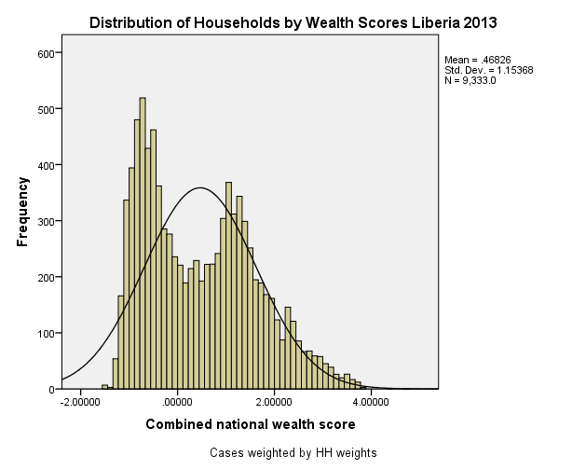
Combined Scores

 | Urban Area

 |  | Coefficientsa
 |  | Model |  | Unstandardized Coefficients |  | Standardized Coefficients | t | Sig.
 |  |  |  | B | Std. Error | Beta
 |  | 1 | (Constant) | 0.794 | 0.002 |  | 337.645 | 0.000
 |  |  | URB1 Urban wealth score | 1.026 | 0.002 | 0.991 | 436.409 | 0.000
 |  | a. Dependent Variable: COM1 Common wealth score

 |  |  | Combined Score= .794 + 1.026 * Urban Score

 | Rural

 |  | Coefficientsa
 |  | Model |  | Unstandardized Coefficients |  | Standardized Coefficients | t | Sig.
 |  |  |  | B | Std. Error | Beta
 |  | 1 | (Constant) | -0.465 | 0.001 |  | -380.564 | 0.000
 |  |  | RUR1 Rural wealth score | 0.603 | 0.001 | 0.988 | 492.997 | 0.000
 |  | a. Dependent Variable: COM1 Common wealth score

 |  |  | Combined Score= -.465 + .603 * Rural Score

 | Combined Score

 |  | Statistics
 |  | combscor Combined national wealth score
 |  | N | Valid | 9333
 |  |  | Missing | 0
 |  | Mean |  | 0.4682600
 |  | Std. Error of Mean |  | 0.01194199
 |  | Median |  | 0.3565915
 |  | Mode |  | 1.03632
 |  | Std. Deviation |  | 1.15368482
 |  | Skewness |  | 0.471
 |  | Std. Error of Skewness |  | 0.025
 |  | Kurtosis |  | -0.682
 |  | Std. Error of Kurtosis |  | 0.051
 |  | Minimum |  | -1.52040
 |  | Maximum |  | 4.75810
 |  | Percentiles | 20 | -0.6872119
 |  |  | 40 | -0.1315546
 |  |  | 60 | 0.8315139
 |  |  | 80 | 1.4883441

 | histrogram

